ALL PES PROPERTIES
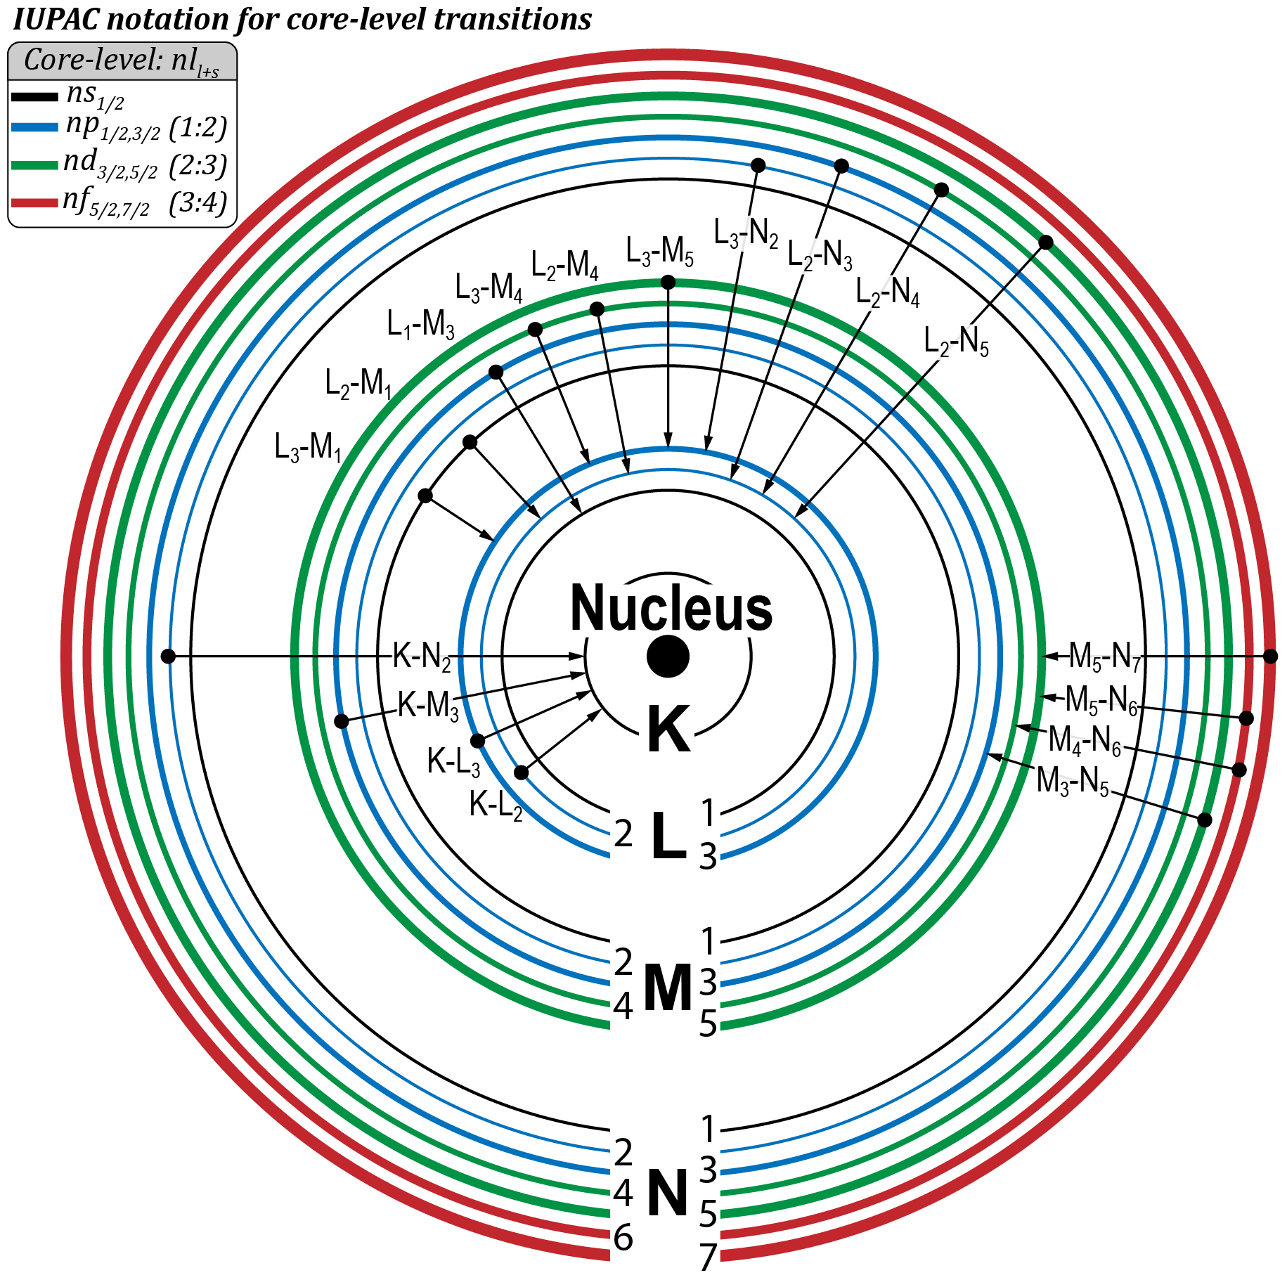

(1) Electron binding energies for the elements in their natural forms
 | K (1s) | L1 (2s) | L2 (2p1/2) | L3 (2p3/2) | M1 (3s) | M2 (3p1/2) | M3 (3p3/2) | M4 (3d3/2) | M5 (3d5/2) | N1 (4s) | N2 (4p1/2) | N3 (4p3/2)
1 | 13.60
2 | 24.60
3 | 54.70
4 | 111.50
5 | 188.00
6 | 284.20
7 | 409.90 | 37.30
8 | 543.10 | 41.60
9 | 696.70
10 | 870.20 | 48.50 | 21.70 | 21.60
11 | 1070.80 | 63.50 | 30.65 | 30.81
12 | 1303.00 | 88.70 | 49.78 | 49.50
13 | 1559.60 | 117.80 | 72.95 | 72.55
14 | 1839.00 | 149.70 | 99.82 | 99.42
15 | 2145.50 | 189.00 | 136.00 | 135.00
16 | 2472.00 | 230.90 | 163.60 | 162.50
17 | 2822.40 | 270.00 | 202.00 | 200.00
18 | 3205.90 | 326.30 | 250.60 | 248.40 | 29.30 | 15.90 | 15.70
19 | 3608.40 | 378.60 | 297.30 | 294.60 | 34.80 | 18.30 | 18.30
20 | 4038.50 | 438.40 | 349.70 | 346.20 | 44.30 | 25.40 | 25.40
21 | 4492.00 | 498.00 | 403.60 | 398.70 | 51.10 | 28.30 | 28.30
22 | 4966.00 | 560.90 | 460.20 | 453.80 | 58.70 | 32.60 | 32.60
23 | 5465.00 | 626.70 | 519.80 | 512.10 | 66.30 | 37.20 | 37.20
24 | 5989.00 | 696.00 | 583.80 | 574.10 | 74.10 | 42.20 | 42.20
25 | 6539.00 | 769.10 | 649.90 | 638.70 | 82.30 | 47.20 | 47.20
26 | 7112.00 | 844.60 | 719.90 | 706.80 | 91.30 | 52.70 | 52.70
27 | 7709.00 | 925.10 | 793.20 | 778.10 | 101.00 | 58.90 | 59.90
28 | 8333.00 | 1008.60 | 870.00 | 852.70 | 110.80 | 68.00 | 66.20
29 | 8979.00 | 1096.70 | 952.30 | 932.70 | 122.50 | 77.30 | 75.10
30 | 9659.00 | 1196.20 | 1044.90 | 1021.80 | 139.80 | 91.40 | 88.60 | 10.20 | 10.10
31 | 10367.00 | 1299.00 | 1143.20 | 1116.40 | 159.50 | 103.50 | 100.00 | 18.70 | 18.70
32 | 11103.00 | 1414.60 | 1248.10 | 1217.00 | 180.10 | 124.90 | 120.80 | 29.80 | 29.20
33 | 11867.00 | 1527.00 | 1359.10 | 1323.60 | 204.70 | 146.20 | 141.20 | 41.70 | 41.70
34 | 12658.00 | 1652.00 | 1474.30 | 1433.90 | 229.60 | 166.50 | 160.70 | 55.50 | 54.60
35 | 13474.00 | 1782.00 | 1596.00 | 1550.00 | 257.00 | 189.00 | 182.00 | 70.00 | 69.00
36 | 14326.00 | 1921.00 | 1730.90 | 1678.40 | 292.80 | 222.20 | 214.40 | 95.00 | 93.80 | 27.50 | 14.10 | 14.10
37 | 15200.00 | 2065.00 | 1864.00 | 1804.00 | 326.70 | 248.70 | 239.10 | 113.00 | 112.00 | 30.50 | 16.30 | 15.30
38 | 16105.00 | 2216.00 | 2007.00 | 1940.00 | 358.70 | 280.30 | 270.00 | 136.00 | 134.20 | 38.90 | 21.30 | 20.10
39 | 17038.00 | 2373.00 | 2156.00 | 2080.00 | 392.00 | 310.60 | 298.80 | 157.70 | 155.80 | 43.80 | 24.40 | 23.10
40 | 17998.00 | 2532.00 | 2307.00 | 2223.00 | 430.30 | 343.50 | 329.80 | 181.10 | 178.80 | 50.60 | 28.50 | 27.10
41 | 18986.00 | 2698.00 | 2465.00 | 2371.00 | 466.60 | 376.10 | 360.60 | 205.00 | 202.30 | 56.40 | 32.60 | 30.80
42 | 20000.00 | 2866.00 | 2625.00 | 2520.00 | 506.30 | 411.60 | 394.00 | 231.10 | 227.90 | 63.20 | 37.60 | 35.50
43 | 21044.00 | 3043.00 | 2793.00 | 2677.00 | 544.00 | 447.60 | 417.70 | 257.60 | 253.90 | 69.50 | 42.30 | 39.90
44 | 22117.00 | 3224.00 | 2967.00 | 2838.00 | 586.10 | 483.50 | 461.40 | 284.20 | 280.00 | 75.00 | 46.30 | 43.20
45 | 23220.00 | 3412.00 | 3146.00 | 3004.00 | 628.10 | 521.30 | 496.50 | 311.90 | 307.20 | 81.40 | 50.50 | 47.30
46 | 24350.00 | 3604.00 | 3330.00 | 3173.00 | 671.60 | 559.90 | 532.30 | 340.50 | 335.20 | 87.10 | 55.70 | 50.90
47 | 25514.00 | 3806.00 | 3524.00 | 3351.00 | 719.00 | 603.80 | 573.00 | 374.00 | 368.30 | 97.00 | 63.70 | 58.30
48 | 26711.00 | 4018.00 | 3727.00 | 3538.00 | 772.00 | 652.60 | 618.40 | 411.90 | 405.20 | 109.80 | 63.90 | 63.90
49 | 27940.00 | 4238.00 | 3938.00 | 3730.00 | 827.20 | 703.20 | 665.30 | 451.40 | 443.90 | 122.90 | 73.50 | 73.50
50 | 29200.00 | 4465.00 | 4156.00 | 3929.00 | 884.70 | 756.50 | 714.60 | 493.20 | 484.90 | 137.10 | 83.60 | 83.60
...
(2) Photon energies of principal K-, L-, and M-shell emission lines.
 | K-L3 | K-L2 | K-M3 | L3-M5 | L3-M4 | L2-M4 | L3-N5 | L2-N4 | M5-N7
3 | 54.30
4 | 108.50
5 | 183.30
6 | 277.00
7 | 392.40
8 | 524.90
9 | 676.80
10 | 848.60 | 848.60
11 | 1040.98 | 1040.98 | 1071.10
12 | 1253.60 | 1253.60 | 1302.20
13 | 1486.70 | 1486.27 | 1557.45
14 | 1739.98 | 1739.38 | 1835.94
15 | 2013.70 | 2012.70 | 2139.10
16 | 2307.84 | 2306.64 | 2464.04
17 | 2622.39 | 2620.78 | 2815.60
18 | 2957.70 | 2955.63 | 3190.50
19 | 3313.80 | 3311.10 | 3589.60
20 | 3691.68 | 3688.09 | 4012.70 | 341.30 | 341.30 | 344.90
21 | 4090.60 | 4086.10 | 4460.50 | 395.40 | 395.40 | 399.60
22 | 4510.84 | 4504.86 | 4931.81 | 452.20 | 452.20 | 458.40
23 | 4952.20 | 4944.64 | 5427.29 | 511.30 | 511.30 | 519.20
24 | 5414.72 | 5405.51 | 5946.71 | 572.80 | 572.80 | 582.80
25 | 5898.75 | 5887.65 | 6490.45 | 637.40 | 637.40 | 648.80
26 | 6403.84 | 6390.84 | 7057.98 | 705.00 | 705.00 | 718.50
27 | 6930.32 | 6915.30 | 7649.43 | 776.20 | 776.20 | 791.40
28 | 7478.15 | 7460.89 | 8264.66 | 851.50 | 851.50 | 868.80
29 | 8047.78 | 8027.83 | 8905.29 | 929.70 | 929.70 | 949.80
30 | 8638.86 | 8615.78 | 9572.00 | 1011.70 | 1011.70 | 1034.70
31 | 9251.74 | 9224.82 | 10264.20 | 1097.92 | 1097.92 | 1124.80
32 | 9886.42 | 9855.32 | 10982.10 | 1188.00 | 1188.00 | 1218.50
33 | 10543.72 | 10507.99 | 11726.20 | 1282.00 | 1282.00 | 1317.00
34 | 11222.40 | 11181.40 | 12495.90 | 1379.10 | 1379.10 | 1419.23
35 | 11924.20 | 11877.60 | 13291.40 | 1480.43 | 1480.43 | 1525.90
36 | 12649.00 | 12598.00 | 14112.00 | 1586.00 | 1586.00 | 1636.60
37 | 13395.30 | 13335.80 | 14961.30 | 1694.13 | 1692.56 | 1752.17
38 | 14165.00 | 14097.90 | 15835.70 | 1806.56 | 1804.74 | 1871.72
39 | 14958.40 | 14882.90 | 16737.80 | 1922.56 | 1920.47 | 1995.84
40 | 15775.10 | 15690.90 | 17667.80 | 2042.36 | 2039.90 | 2124.40 | 2219.40 | 2302.70
41 | 16615.10 | 16521.00 | 18622.50 | 2165.89 | 2163.00 | 2257.40 | 2367.00 | 2461.80
42 | 17479.34 | 17374.30 | 19608.30 | 2293.16 | 2289.85 | 2394.81 | 2518.30 | 2623.50
43 | 18367.10 | 18250.80 | 20619.00 | 2424.00 | 2420.00 | 2538.00 | 2674.00 | 2792.00
44 | 19279.20 | 19150.40 | 21656.80 | 2558.55 | 2554.31 | 2683.23 | 2836.00 | 2964.50
45 | 20216.10 | 20073.70 | 22723.60 | 2696.74 | 2692.05 | 2834.41 | 3001.30 | 3143.80
46 | 21177.10 | 21020.10 | 23818.70 | 2838.61 | 2833.29 | 2990.22 | 3171.79 | 3328.70
47 | 22162.92 | 21990.30 | 24942.40 | 2984.31 | 2978.21 | 3150.94 | 3347.81 | 3519.59
48 | 23173.60 | 22984.10 | 26095.50 | 3133.73 | 3126.91 | 3316.57 | 3528.12 | 3716.86
49 | 24209.70 | 24002.00 | 27275.90 | 3286.94 | 3279.29 | 3487.21 | 3713.81 | 3920.81
50 | 25271.30 | 25044.00 | 28486.00 | 3443.98 | 3435.42 | 3662.80 | 3904.86 | 4131.12
51 | 26359.10 | 26110.80 | 29725.60 | 3604.72 | 3595.32 | 3843.57 | 4100.78 | 4347.79
52 | 27472.30 | 27201.70 | 30995.70 | 3769.33 | 3758.80 | 4029.58 | 4301.70 | 4570.90
...
(3) Relative Intensities of K-, L-, and M-shell emission lines.
 | K-L3 | K-L2 | K-M3 | K-M2 | K-N3 | L3-M5 | L3-M4 | L3-M1 | L2-M4 | L3-N5 | L2-N4 | M5-N7
1
2
3 | 150.00 | 150.00
4 | 150.00 | 150.00
5 | 151.00 | 151.00
6 | 147.00 | 147.00
7 | 150.00 | 150.00
8 | 151.00 | 151.00
9 | 148.00 | 148.00
10 | 150.00 | 150.00
11 | 150.00 | 150.00
12 | 150.00 | 150.00
13 | 100.00 | 50.00 | 1.00
14 | 100.00 | 50.00 | 2.00
15 | 100.00 | 50.00 | 3.00
16 | 100.00 | 50.00 | 5.00
17 | 100.00 | 50.00 | 6.00
18 | 100.00 | 50.00 | 10.00 | 10.00
19 | 100.00 | 50.00 | 11.00 | 11.00
20 | 100.00 | 50.00 | 13.00 | 13.00
21 | 100.00 | 50.00 | 15.00 | 15.00 |  | 111.00 | 111.00 | 21.00 | 77.00
22 | 100.00 | 50.00 | 15.00 | 15.00 |  | 111.00 | 111.00 | 46.00 | 79.00
23 | 100.00 | 50.00 | 15.00 | 15.00 |  | 111.00 | 111.00 | 28.00 | 80.00
24 | 100.00 | 50.00 | 15.00 | 15.00 |  | 111.00 | 111.00 | 17.00 | 79.00
25 | 100.00 | 50.00 | 17.00 | 17.00 |  | 111.00 | 111.00 | 15.00 | 77.00
26 | 100.00 | 50.00 | 17.00 | 17.00 |  | 111.00 | 111.00 | 10.00 | 66.00
27 | 100.00 | 51.00 | 17.00 | 17.00 |  | 111.00 | 111.00 | 10.00 | 76.00
28 | 100.00 | 51.00 | 17.00 | 17.00 |  | 111.00 | 111.00 | 9.00 | 68.00
29 | 100.00 | 51.00 | 17.00 | 17.00 |  | 111.00 | 111.00 | 8.00 | 65.00
30 | 100.00 | 51.00 | 17.00 | 17.00 |  | 111.00 | 111.00 | 7.00 | 65.00
31 | 100.00 | 51.00 | 66.00 | 5.00 |  | 111.00 | 111.00 | 7.00 | 66.00
32 | 100.00 | 51.00 | 60.00 | 6.00 |  | 111.00 | 111.00 | 6.00 | 60.00
33 | 100.00 | 51.00 | 13.00 | 6.00 | 1.00 | 111.00 | 111.00 | 6.00 | 60.00
34 | 100.00 | 52.00 | 13.00 | 6.00 | 1.00 | 111.00 | 111.00 | 6.00 | 59.00
35 | 100.00 | 52.00 | 14.00 | 7.00 | 1.00 | 111.00 | 111.00 | 5.00 | 59.00
36 | 100.00 | 52.00 | 14.00 | 7.00 | 2.00 | 111.00 | 111.00 | 5.00 | 57.00
37 | 100.00 | 52.00 | 14.00 | 7.00 | 2.00 | 100.00 | 11.00 | 5.00 | 58.00
38 | 100.00 | 52.00 | 14.00 | 7.00 | 3.00 | 100.00 | 11.00 | 5.00 | 58.00
39 | 100.00 | 52.00 | 15.00 | 8.00 | 3.00 | 100.00 | 11.00 | 5.00 | 57.00
40 | 100.00 | 52.00 | 15.00 | 8.00 | 3.00 | 100.00 | 11.00 | 5.00 | 54.00 | 1.00 | 2.00
41 | 100.00 | 52.00 | 15.00 | 8.00 | 3.00 | 100.00 | 11.00 | 5.00 | 52.00 | 3.00 | 2.00
42 | 100.00 | 52.00 | 15.00 | 8.00 | 3.00 | 100.00 | 11.00 | 5.00 | 53.00 | 5.00 | 3.00
43 | 100.00 | 53.00 | 16.00 | 8.00 | 4.00 | 100.00 | 11.00 | 5.00 | 54.00 | 7.00 | 3.00
44 | 100.00 | 53.00 | 16.00 | 8.00 | 4.00 | 100.00 | 11.00 | 4.00 | 54.00 | 10.00 | 4.00
45 | 100.00 | 53.00 | 16.00 | 8.00 | 4.00 | 100.00 | 11.00 | 4.00 | 52.00 | 10.00 | 5.00
46 | 100.00 | 53.00 | 16.00 | 8.00 | 4.00 | 100.00 | 11.00 | 4.00 | 53.00 | 12.00 | 6.00
47 | 100.00 | 53.00 | 16.00 | 9.00 | 4.00 | 100.00 | 11.00 | 4.00 | 56.00 | 13.00 | 6.00
48 | 100.00 | 53.00 | 17.00 | 9.00 | 4.00 | 100.00 | 11.00 | 4.00 | 58.00 | 15.00 | 6.00
49 | 100.00 | 53.00 | 17.00 | 9.00 | 5.00 | 100.00 | 11.00 | 4.00 | 58.00 | 15.00 | 6.00
50 | 100.00 | 53.00 | 17.00 | 9.00 | 5.00 | 100.00 | 11.00 | 4.00 | 60.00 | 16.00 | 7.00
...
(4) Relative fluorescence yield for K- and L-shell ionisation events.
 | K-shell | L-shell
1
2
3
4
5
6 | 0.0009
7 | 0.0015
8 | 0.0022
9
10 | 0.0255
11
12 | 0.0163
13 | 0.0304
14 | 0.0380
15
16 | 0.0830
17 | 0.1005
18 | 0.1120
19
20 | 0.1785
21
22 | 0.2000
23 | 0.2570 | 0.0024
24 | 0.2467
25 | 0.2922 | 0.0029
26 | 0.3320
27 | 0.3100
28 | 0.3785
29 | 0.4155 | 0.0056
30 | 0.4464
31 | 0.3568 | 0.0064
32
33 | 0.5300
34 | 0.5713
35 | 0.5940
36 | 0.6500 | 0.0750
37 |  | 0.0110
38 | 0.6400
39 | 0.6440
40 | 0.6783 | 0.0570
41 | 0.7215
42 | 0.7458 | 0.0670
43 | 0.6985
44
45 | 0.7840
46 | 0.8020
47 | 0.8210 | 0.0558
48 | 0.8163
49 | 0.8450
50 | 0.8374
...

(1) Electron binding energies, in electron volts, for the elements in their natural forms. |  |  |  |  |  |  |  |  |  |  |  |  |  |  |  |  |  |  |  |  |  |  |  |  |  | (2) Photon energies, in electron volts, of principal K-, L-, and M-shell emission lines.
Z | Element | K (1s) | L1 (2s) | L2 (2p1/2) | L3 (2p3/2) | M1 (3s) | M2 (3p1/2) | M3 (3p3/2) | M4 (3d3/2) | M5 (3d5/2) | N1 (4s) | N2 (4p1/2) | N3 (4p3/2) | N4 (4d3/2) | N5 (4d5/2) | N6 (4f5/2) | N7 (4f7/2) | O1 (5s) | O2 (5p1/2) | O3 (5p3/2) | O4 (5d3/2) | O5 (5d5/2) | P1 (6s) | P2 (6p1/2) | P3 (6p3/2) | Z | Element | K-L3 | K-L2 | K-M3 | L3-M5 | L3-M4 | L2-M4 | L3-N5 | L2-N4 | M5-N7
1 | H | 13.60 |  |  |  |  |  |  |  |  |  |  |  |  |  |  |  |  |  |  |  |  |  |  |  | 1 | H
2 | He | 24.60 |  |  |  |  |  |  |  |  |  |  |  |  |  |  |  |  |  |  |  |  |  |  |  | 2 | He
3 | Li | 54.70 |  |  |  |  |  |  |  |  |  |  |  |  |  |  |  |  |  |  |  |  |  |  |  | 3 | Li | 54.30
4 | Be | 111.50 |  |  |  |  |  |  |  |  |  |  |  |  |  |  |  |  |  |  |  |  |  |  |  | 4 | Be | 108.50
5 | B | 188.00 |  |  |  |  |  |  |  |  |  |  |  |  |  |  |  |  |  |  |  |  |  |  |  | 5 | B | 183.30
6 | C | 284.20 |  |  |  |  |  |  |  |  |  |  |  |  |  |  |  |  |  |  |  |  |  |  |  | 6 | C | 277.00
7 | N | 409.90 | 37.30 |  |  |  |  |  |  |  |  |  |  |  |  |  |  |  |  |  |  |  |  |  |  | 7 | N | 392.40
8 | O | 543.10 | 41.60
9 | F | 696.70
...

